Welcome

WELCOME to your 2020 Social Media Calendar. We've put together 2-3 post ideas for every day of the year!

Remember, for the first post of the day, we recommend Arlo's "Chip & Dip" Method, and we've posted those ideas at the bottom of each calendar page.
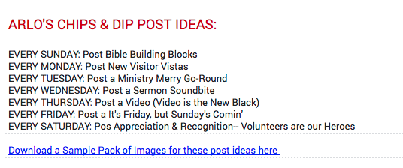

For the second post of the day, we recommend one of our suggestions that are written for you right in the Date Box.

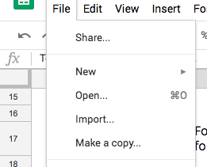
To save your copy of the calendar, go to File >> Make a Copy and save to your own Drive. Now, you can edit, copy, paste and share!!!

To learn more about Arlo, Church Butler, or the Chips and Dip method, check out our free webinar at www.butler.church/chipsanddip

